Sheet1
code controllers
This report highlights a critical issue identified in the Pioneers Wine application that affects user experience and functionality. The bug was discovered during routine testing and impacts core features. Detailed information about the issue, reproduction steps, and potential impact is provided. Prompt resolution is recommended to maintain product quality and customer satisfaction.
Product Name: Pioneers Wine
Product URL: https://pay-pal-pioneers-068.vercel.app/
Bug Identifiers: vasanthakumar G
Platform: Windows and Android
Browsers: Google Chrome || firfox
Bug Identification On: 09-02-2025
Bug Rechedck By: vasanthakumar G

BUG ID | BUG Type | BUG Description | Severity | Priority | Proofs
BUG001 | Functional Test | Verify "Forgot Password" functionality | high | mid | 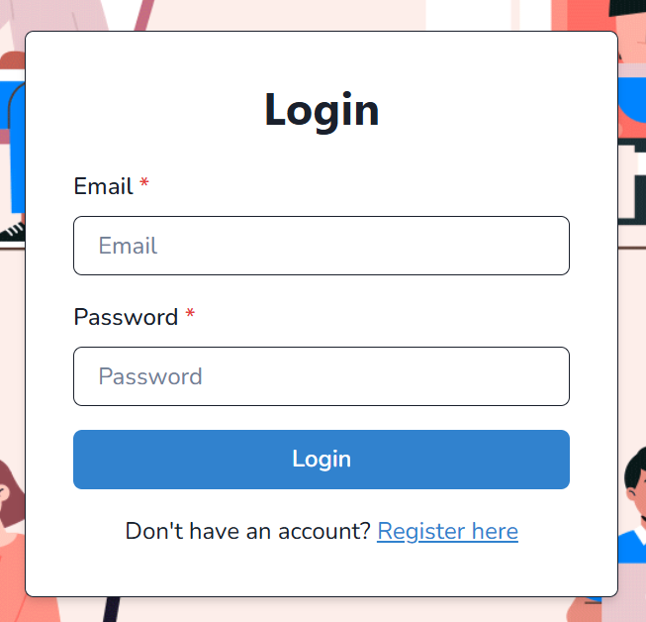
BUG002 | UI | Verify Newsletter Subscription Button Visibility | high | low | 
BUG003 | UI | Verify the Visibility of the Support Link | mid | high | 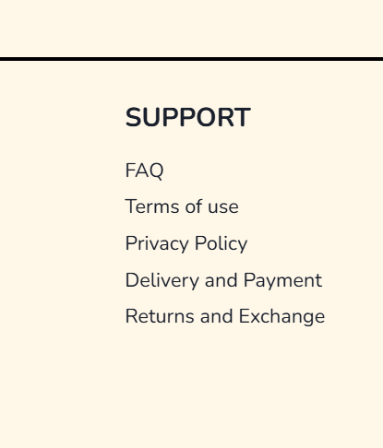
BUG004 | Functional | Verify Navigation to Terms and Conditions Page | High | mid
BUG005 | Functional | Verify "About Us" Page Visibility | high | high | 
Bug006 | Functional | Verify that the Product Page URL is Correct | high | high | 